Sheet1
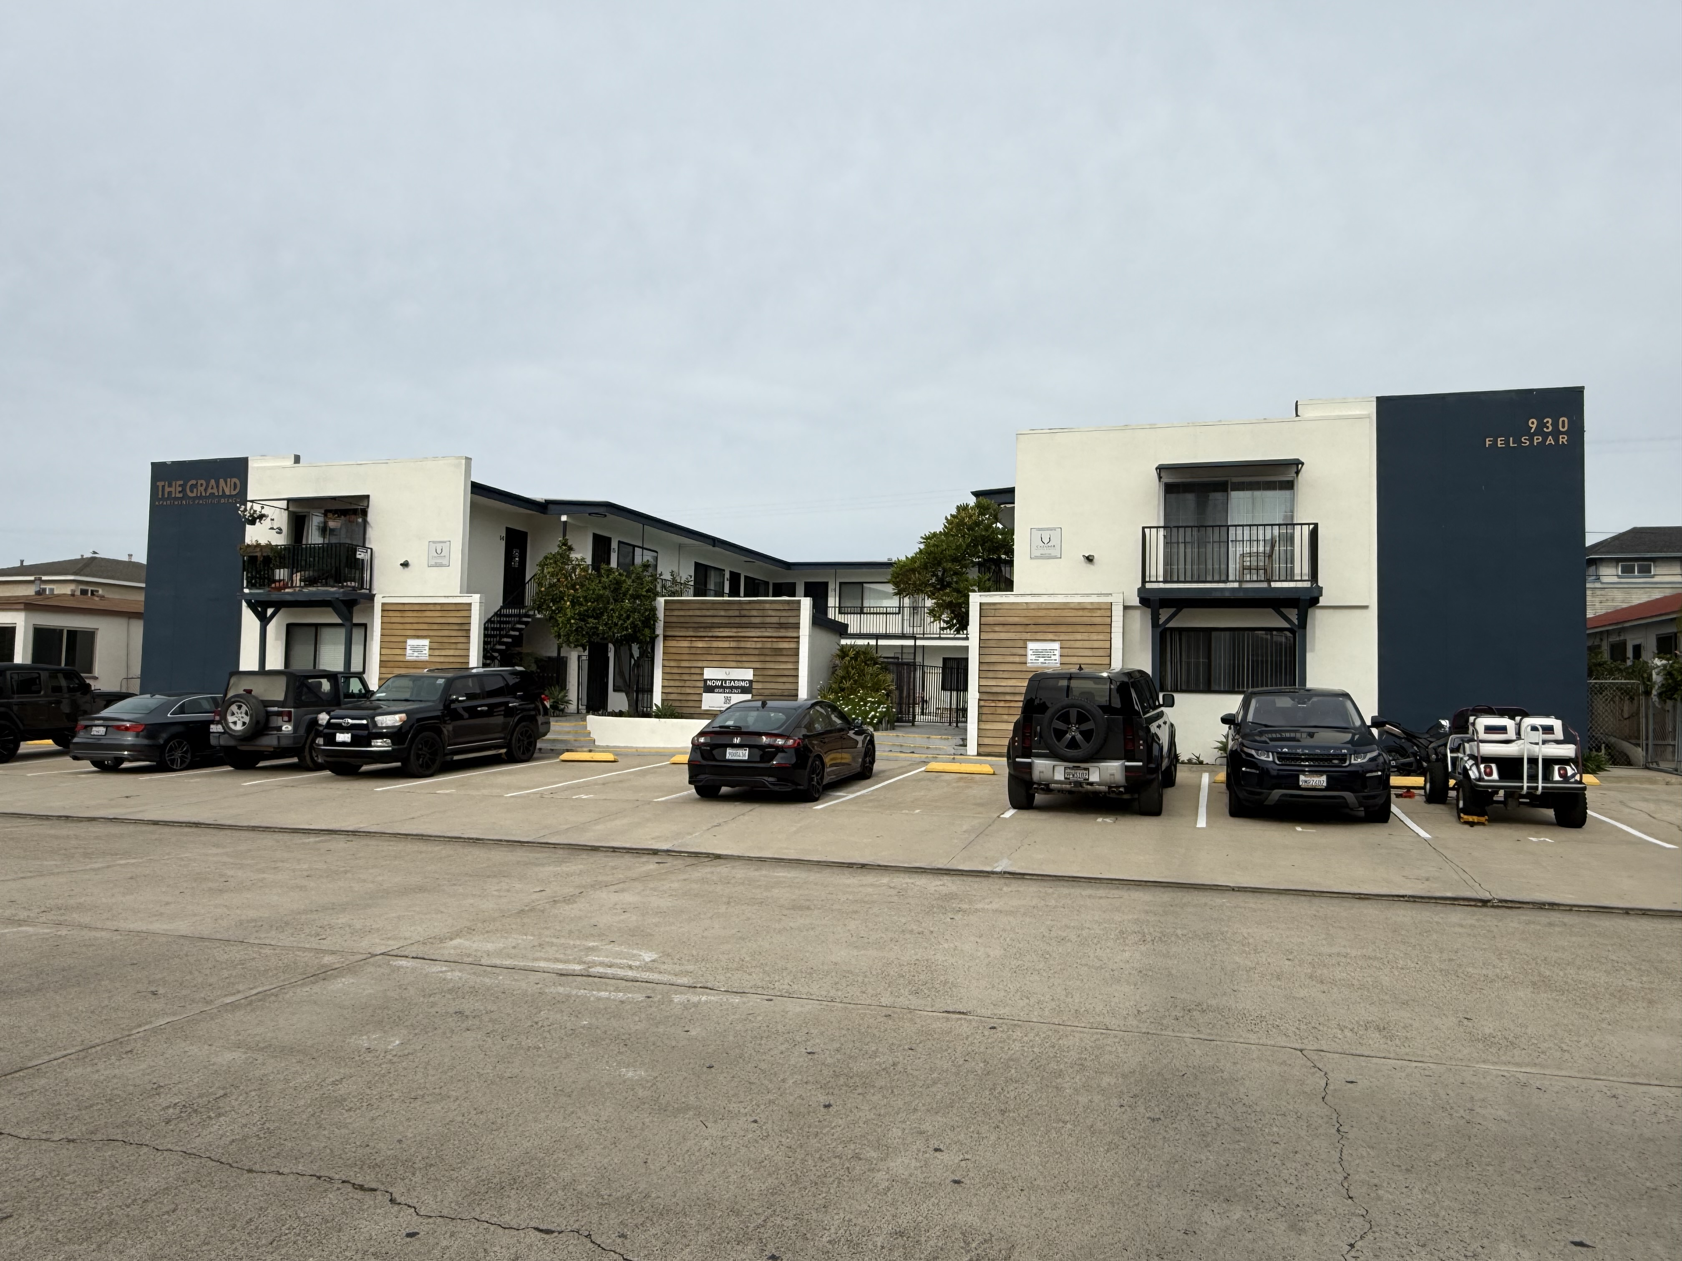
930 Felsar Street - Pacific Beach

# Units |  | Address |  | City |  | Zip | APN
24 | 930 Felspar Street |  |  | San Diego |  | 92109 | 4156021000

Price | Cap Ex/Basis | GRM |  | CAP Rate |  | $ / Unit
$12,000,000 | $0 | Current | Market | Current | Market | $500,000
 | $12,000,000 | 15.1 | 13.0 | 4.13% | 5.14%
Price | Avg | Gross Sq. Ft. |  | Parcel Size
Per SF | Unit SF | (Approx.) |  | (Approx.) | Parking | Yr. Built
$1,000.00 | 500 | 12,000 |  | 14,077 | 24 | 1960
 | Income Detail |  |  |  | Annual Operating Expenses
# of Units | Type | Rent | Total
CURRENT INCOME |  |  |  | CURRENT EXPENSES
UNIT INCOME
8 | Studio | $2,195 | $17,560 | Electric/Gas | $16,888 | Prop Mgmt | $38,458
16 | 1BR 1BA | $2,774 | $44,384 | Water/Sewer | $8,581 | OnSite Mgmt | $5,599
 |  | Monthly | $61,944 | Trash | $7,661 | Insurance | $11,649
 |  |  |  | Landscaping | $1,600 | License/Fees | $684
OTHER INCOME |  |  |  | Pest Control | $1,111 | Pool | $5,726
 | Misc |  | $6,318 | Repair/Maint | $22,819 | Misc/Reserves | $3,926
 | Non-Conforming Unit |  | $16,740 | Marketing | $1,428 | Taxes* | $147,112
 | Pet |  | $1,972
 | Laundry |  | $2,706 |  | Total Annual Expenses |  | $273,241
 | Parking |  | $5,428 |  | Expenses per: | Est. Sq. Ft. | $22.77
 | RUBS |  | $16,448 |  |  | Unit | $11,385
 |  | Annual | $49,612 |  |  | % of GSI | 34.5%

 | Total Annual Income |  | $792,940

MARKET INCOME |  |  |  | MARKET EXPENSES
UNIT INCOME
8 | Studio | $2,600 | $20,800 | Electric/Gas | $16,888 | Prop Mgmt | $44,761
16 | 1BR 1BA | $3,200 | $51,200 | Water/Sewer | $8,581 | OnSite Mgmt | $14,400
 |  | Monthly | $72,000 | Trash | $7,661 | Insurance | $11,649
 |  |  | $864,000 | Landscaping | $2,400 | License/Fees | $1,000
OTHER INCOME |  |  |  | Pest Control | $1,200 | Pool | $6,000
 | Misc |  | $6,318 | Repair/Maint | $15,000 | Misc/Reserves | $0
 | Non-Conforming Unit |  | $16,740 | Marketing | $1,200 | Taxes* | $147,112
 | Pet |  | $2,000
 | Laundry |  | $3,000 |  | Total Annual Expenses |  | $277,852
24 | Parking | $50 | $14,400 |  | Expenses per: | Est. Sq. Ft. | $23.15
 | RUBS |  | $16,448 |  |  | Unit | $11,577
 |  | Annual | $58,906 |  |  | % of GSI | 30.1%

 | Total Annual Income |  | $922,906

Annual Operating Proforma |  |  |  |  | Financing Summary
 |  |  | Current | Market
Gross Scheduled Income |  |  | $792,940 | $922,906 | Down Payment |  | $6,000,000
Less: Vacancy Factor |  | 3.0% | $23,788 | $27,687 |  |  | 50%
Gross Operating Income |  |  | $769,152 | $895,219
Less: Expenses |  | 34.5% | $273,241 | $277,852 | 30.1%
Net Operating Income |  |  | $495,910 | $617,367 | Proposed Financing: |  | $6,000,000
 |  |  |  |  | Interest Rate: |  | 5.60%
Less: 1st TD Payments |  |  | ($413,337) | ($413,337) | Amortized over: |  | 30

 |  |  |  |  | Debt Coverage Ratio:
Pre-Tax Cash Flow |  |  | $82,574 | $204,030 | Current: |  | 1.20
 |  |  |  |  | Market: |  | 1.49
Cash On Cash Return |  |  | 1.4% | 3.4%

Principal Reduction |  |  | $77,337 | $77,337
Earned Return |  |  | 2.7% | 4.7%

 | Evan Faulkner 858-472-8680 DRE # 01866439 evanfaulkner@gmail.com

The information contained herein has been obtained from sources believed reliable. While Faulkner does not doubt its accuracy, we have not verified it, and make no guarantee, warranty, or representation about it. It is your responsibility to independently confirm its accuracy and completeness. Any projections, opinions, assumptions, or estimates are used for example only and do not represent the current or future performance of the property. The value of this transaction depends on tax, financial, and legal advisors. You and your advisors should conduct a careful, independent investigation of the property to determine to your satisfaction the suitability of the property to your needs.

